Sheet1
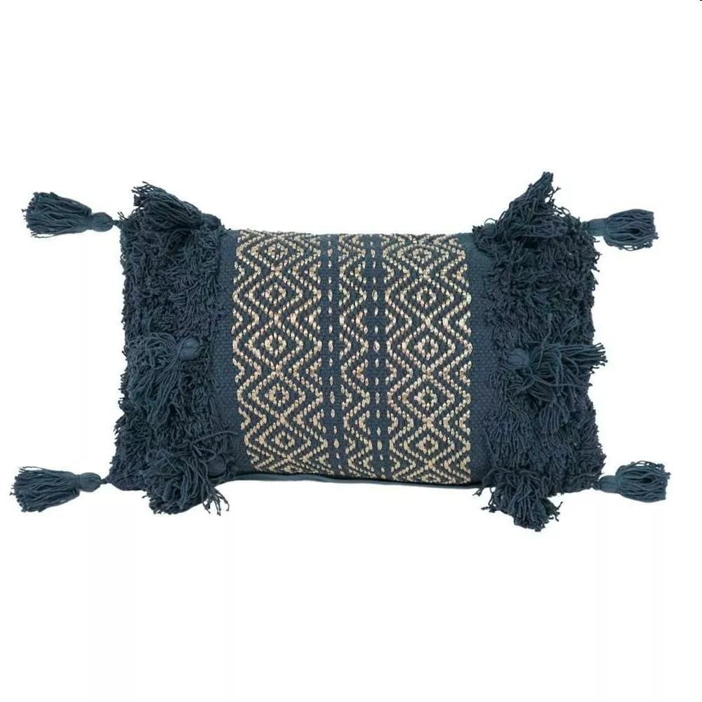
Picture | Item code | Description | Extra information | Restriction | Stock | Sales price EXW | Retail price | Barcode | Quantity PU | Quantity pallet | Pallet | Origin | Customs code | Item weight | Languages on package | Group
 | 21203 | Filled Cushion, Pandora Charcoal, 30x50cm | 373288 |  | 10198 |  | 11.99 | 1000037328800 | 6 | 282 | Blokpallet 120x100 | CN | 9404909000 | 750 | EN | Filled Cushion

